80-20 Cut List
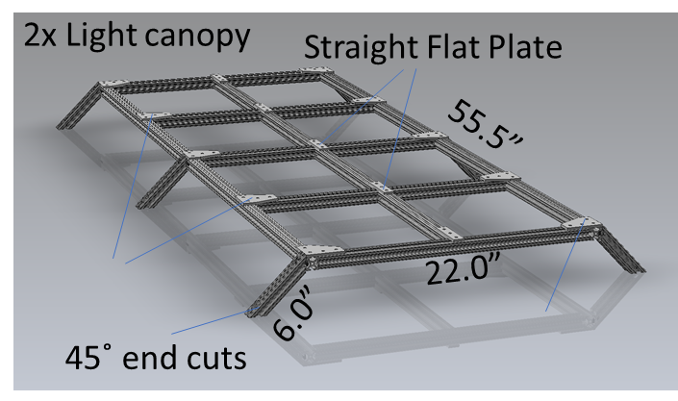
 | Cut list for 80/20 T-slot components for ABCD | Note: 80/20 is sold in unit lengths of inches
Tier 1 (lower) frame
Qty | Material | Cut Length (in) | Total Length (in)
4 | 80/20 1.00” X 1.00” T-Slotted Profile - Four Open T-Slots | 20.00 | 80.00
4 | 80/20 1.00” X 1.00” T-Slotted Profile - Four Open T-Slots - 32 deg and 55 deg angled ends | 28.30 | 113.21
4 | 80/20 1.00” X 1.00” T-Slotted Profile - Four Open T-Slots | 24.00 | 96.00
7 | 80/20 1.00” X 1.00” T-Slotted Profile - Four Open T-Slots | 30.00 | 210.00
4 | 80/20 1.00” X 1.00” T-Slotted Profile - Four Open T-Slots - 45 deg ends | 33.94 | 135.76
4 | 80/20 1.00” X 1.00” T-Slotted Profile - Four Open T-Slots | 70.86 | 283.44
 |  |  | 918.41
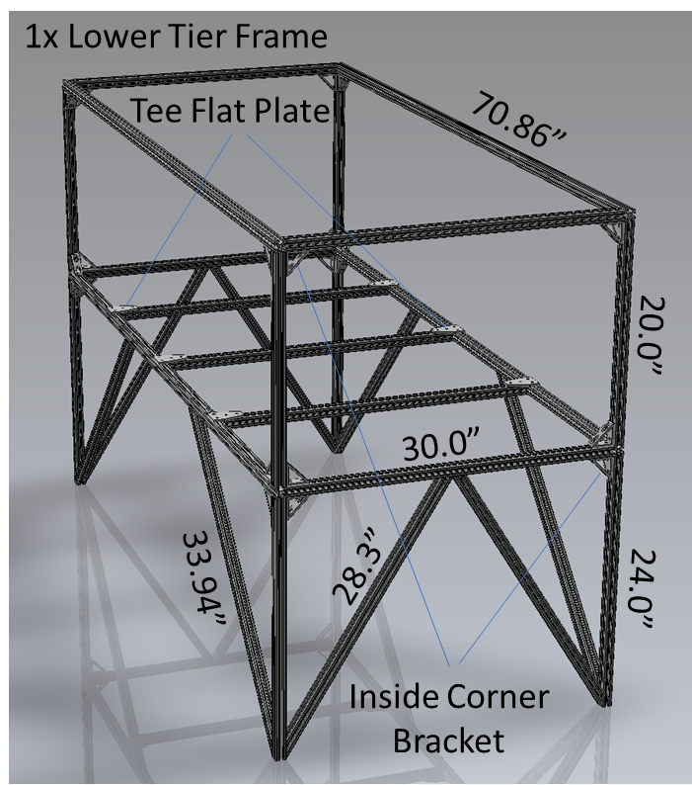

Tier 2 (upper) frame
Qty | Material | Cut Length (in) | Total Length (in)
4 | 80/20 1.00” X 1.00” T-Slotted Profile - Four Open T-Slots | 20.00 | 80.00
4 | 80/20 1.00” X 1.00” T-Slotted Profile - Four Open T-Slots | 7.50 | 30.00
7 | 80/20 1.00” X 1.00” T-Slotted Profile - Four Open T-Slots | 30.00 | 210.00
4 | 80/20 1.00” X 1.00” T-Slotted Profile - Four Open T-Slots | 70.86 | 284.00
 |  |  | 604.00
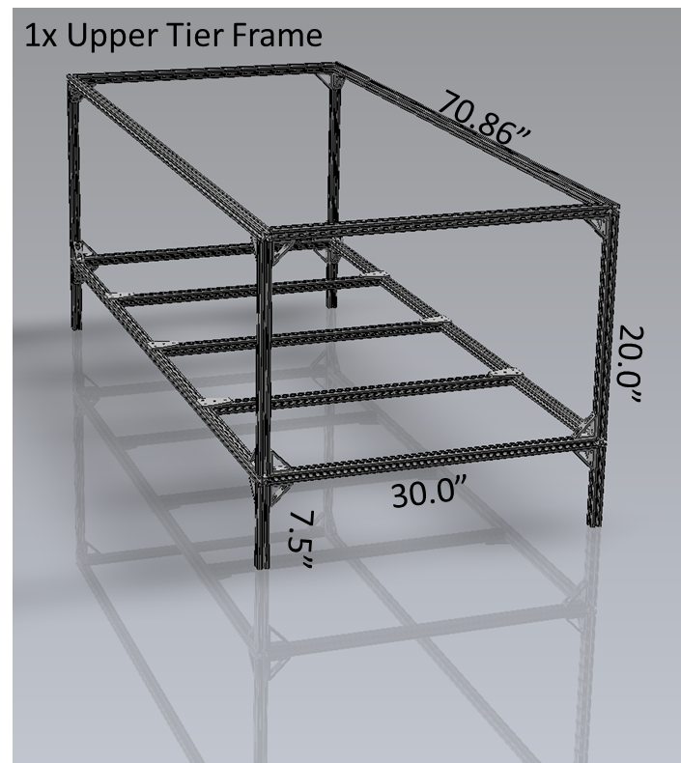

Growth rack (1 per tier)
Qty | Material | Cut Length (in) | Total Length (in)
4 | 80/20 1.00” X 2.00” T-Slotted Profile - Six Open T-Slots | 6.00 | 24.00
6 | 80/20 1.00” X 2.00” T-Slotted Profile - Six Open T-Slots | 28.00 | 168.00
2 | 80/20 1.00” X 2.00” T-Slotted Profile - Six Open T-Slots | 70.86 | 141.72
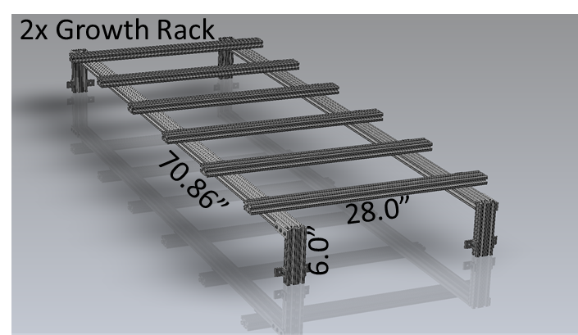
 |  |  | 333.72

Light canopy (1 per tier)
Qty | Material | Cut Length (in) | Total Length (in)
4 | 80/20 1.00” X 1.00” T-Slotted Profile - Four Open T-Slots | 20.00 | 80.00
5 | 80/20 1.00” X 1.00” T-Slotted Profile - Four Open T-Slots | 22.00 | 110.00
4 | 80/20 1.00” X 1.00” T-Slotted Profile - Four Open T-Slots | 12.63 | 50.52
2 | 80/20 1.00” X 1.00” T-Slotted Profile - Four Open T-Slots | 55.50 | 111.00
 |  |  | 351.52

